Sheet1
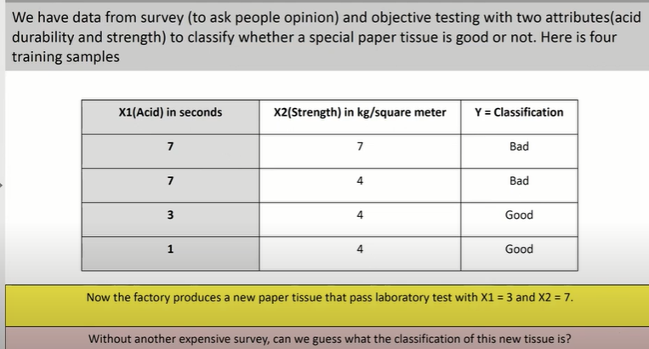
3 | 7
 |  |  |  |  | Hyperparameter
X1 | X2 | Y | Distance from new points | Rank | K=1 | K=3 | Highest value or mode
7 | 7 | Bad | 4 | 3 |  | Bad
7 | 4 | Bad | 5 | 4
3 | 4 | Good | 3 | 1 | Good | Good
1 | 4 | Good | 3.6055512755 | 2 |  | Good

